KK
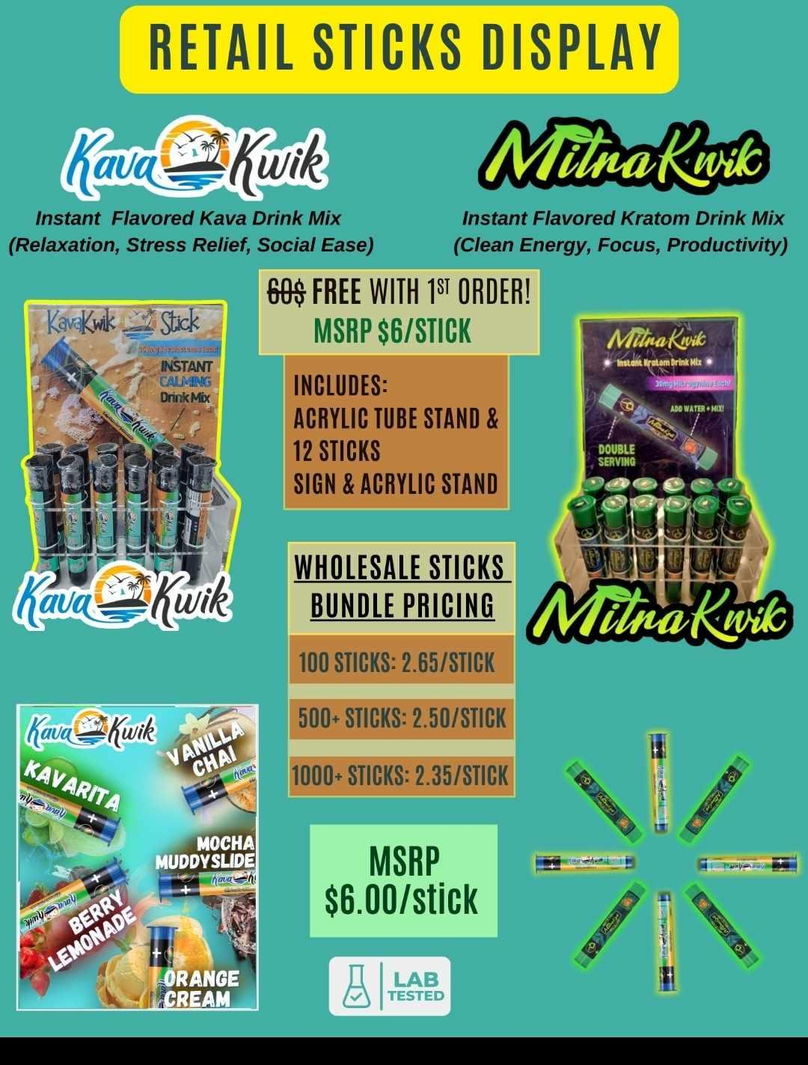
Type | Unit Quntity | Price Per Unit | Suggested MSRP | Type | Unit Quntity | Price Per Unit | Suggested MSRP
Kava Kwik Stick | 100-499 | $2.65 | $6.00 | Mitra Kwik Stick | 100-499 | $2.65 | $6.00
Kava Kwik Stick | 500-999 | $2.50 | $6.00 | Mitra Kwik Stick | 500-999 | $2.50 | $6.00
Kava Kwik Stick | 1000+ | $2.35 | $6.00 | Mitra Kwik Stick | 1000+ | $2.35 | $6.00
Kava Kwik Jar | 10+ | $15.00 | $35.00 | Mitra Kwik Jar | 10+ | $15.00 | $35.00

Type | Serving Quntity | Price Per Serving
Kava Kwik Bag | 50 | $1.20
Kava Kwik Bag | 100 | $1.00
Kava Kwik Bag | 200 | $0.80

